Sheet1
APPENDIX1
KC COLLEGE OF HOTEL MANAGEMENT
HUNAR SE ROZGAR TAK - BATCH-III (2015-16)
Form 27th Jan 2016 To 30th March 2016
8 Week-( Bakery & Patisserie)
DETAIL OF STUDENTS (PART 1)
Sr. No | Name | Father`s Name | DOB | Education Qualification | Address | Contact No. | Photo
1 | Balraj Singh | Lakhvir Singh | 1994-05-31 | 10th | VPO Phambra, Tehsil Nawanshar, SBS Nagar | 9876058007 | 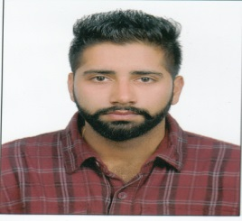
2 | Dapinderjit Singh | Darshan Singh | 1994-09-12 | 12th | VPO Karnana, Tehsil Nawanshahr, SBS Nagar | 950170331 | 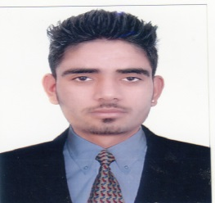
3 | Dharminder Singh | Jhalman Singh | 1992-02-17 | 12th | VPO Machiwara Sahib, Tehsil Samarala, Ludhiana | 8146367831 | 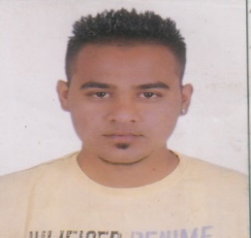
4 | Hardeep Kumar | Sital Ram | 1990-07-12 | 10th | VPO Langorya, Tehsil Nawanshahr, SBS Nagar | 9779106823 | 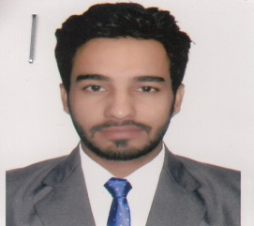
5 | Jaspreet Singh | Jaspal Singh | 1997-03-12 | 10th | Vill Ranewal, PO Jadla, Tehsil Nawanshahr, SBS Nagar | 9501246939 | 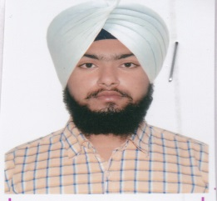
6 | Jasvir Singh | Surinderpal | 1996-06-29 | 12th | Vill Selkiana, PO Dayalpur, tehsil Phillaur, Jalandhar | 9915587722 | 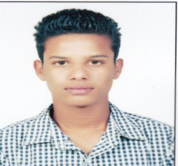
7 | Manjinder Chopra | Satnam Singh | 1997-05-14 | 10th | VPO Phambra, Tehsil Nawanshar, SBS Nagar | 9876464082 | 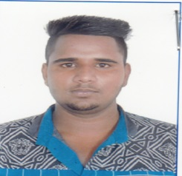
8 | Manpreet Kumar | Daya Ram | 1993-02-08 | 10th,10+2 | Vill. Kukar Mazara, PO Saroa, Tehsil Garshankar, Hoshiarpur | 9878159855 | 
9 | Manpreet Singh | Kulvir Singh | 1998-07-04 | 10th | Vill Charan PO Jadla,, Tehsil Nawanshahr, SBS Nagar | 9464190284 | 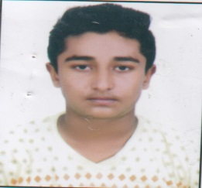
10 | Manpreet Singh | Rajinder Singh | 1990-10-17 | 10th | VPO Kanaun, Rahon, SBS Nagar | 9779950403 | 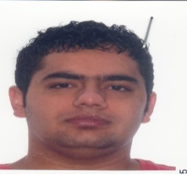
11 | Mohit Kaith | Hare Ram | 1997-07-16 | 12th | St. No. 7, Nai Abadi, Nawanshahr, SBS Nagar | 9781299088 | 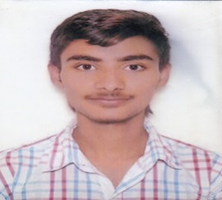
12 | Narinder Kumar | Harjinder kumar | 1998-01-22 | 12th | Sant Nagar, Nawanshahr, SBS Nagar | 9478342089 | 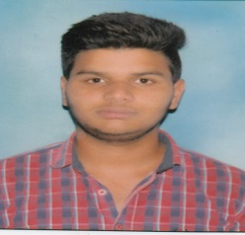
13 | Om Prakash | Jagdish Chander | 1994-03-18 | 10+2 | VPO Rampur Bilro Tehsil Garshankar. Hoshiarpur | 9779102371 | 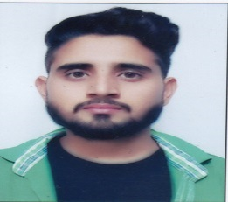
14 | Pankaj Mann | Sohan Lal | 1995-12-17 | 12t | VPO Mendhipur, Nawanshar, SBS Nagar | 8528919296 | 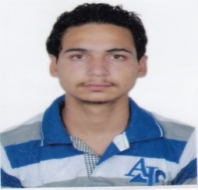
15 | Pardeep Kumar | Shinderpal | 1989-10-27 | 12th | VPO Herian, Tehsil Nawanshahr, SBS Nagar | 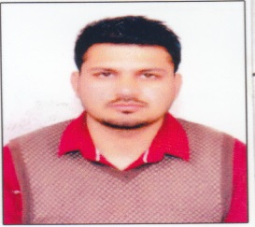 9914081497
16 | Parminder Singh | Gurdev Singh | 1996-12-05 | 12th | VPO Ladhana Ucha, Banga, SBS Nagar | 7696124081 | 
17 | Pinki | Tersem Lal | 1996-08-09 | 10th | VPO Aur, Tehsil Nawanshahr, SBS Nagar | 9501741948 | 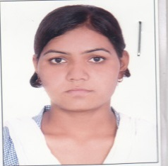
18 | Prabhjot Singh | Jasvir Singh | 1995-12-13 | 10+2 | VPO Sahlon, Nawanshahr, SBS Nagar | 8968952631 | 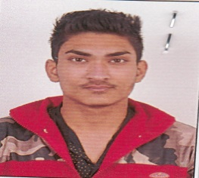
19 | Raghuvir Singh | Gurnek Singh | 1996-08-04 | 12th | VPO Ghagon Rattanawali, Garshankar, Hoshiarpur | 9478201308 | 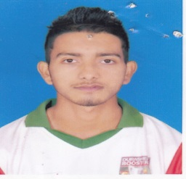
20 | Rajni Bala | Charanjit | 1995-11-14 | 10th | VPO Aur, Tehsil Nawanshahr, SBS Nagar | 8427641412 | 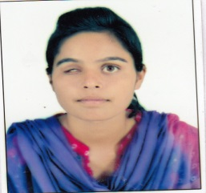
21 | Ramandeep | Harbhajan Singh | 1997-09-06 | 10th | Vill. Chahal Khurd, PO Kamam, Tehsil Nawanshahr, SBS Nagar | 8725998902 | 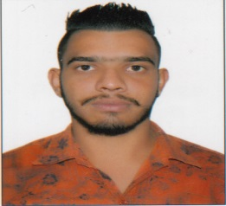
22 | Ranjit | Ram Pal | 1997-02-18 | 12th | Mirpur Jattan, Nawanshahr, SBS Nagar | 9530951965 | 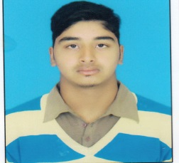
23 | Ranjodhvir Singh | Bakhtawar Singh | 1991-12-21 | 10th | VPO Phambra, Tehsil Nawanshar, SBS Nagar | 9478663264
24 | Rohit Rai | Kulwant Rai | 1996-09-22 | 12th | HNO.214/8, Garshankar Road Banga, SBS Nagar | 9779393508 |  | 18
25 | Sajan Kumar | Pushpinder kumar | 1993-12-29 | 10th | hNo. 222. Shorian Mohalla, Nawanshahr, SBS Nagar | 9988329566 | 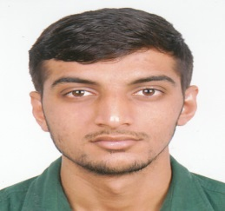
26 | Shivjjit Singh | Kudeep Singh | 1996-11-10 | 12th | VPO Hakumatpur, Hoshiarpur | 9478061648 | 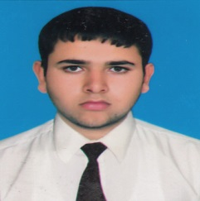
27 | Umesh Kumar | Ram Pal | 1996-07-11 | 12th | Nai Abadi, Nawanshahr, SBS Nagar | 9115271914 | 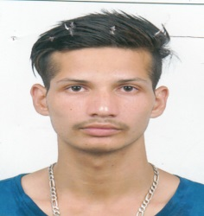
28 | Ved Bhushan | Darshan Lal | 1991-07-09 | 10th | VPO Saroa, Tehsil Balachaur, SBS Nagar | 9465961001 | 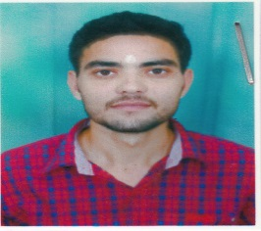
29 | Vijay Kumar | Joga Singh | 1994-04-14 | 10+2 | VPO Jassowal, Garshankar, Hoshiarpur | 9876159402
30 | Vivek Kumar | Parshotam Lal | 1996-12-22 | 12th | VPO Chak Kala, Banga, SBS Nagar | 9041110379 | 